Dashboard
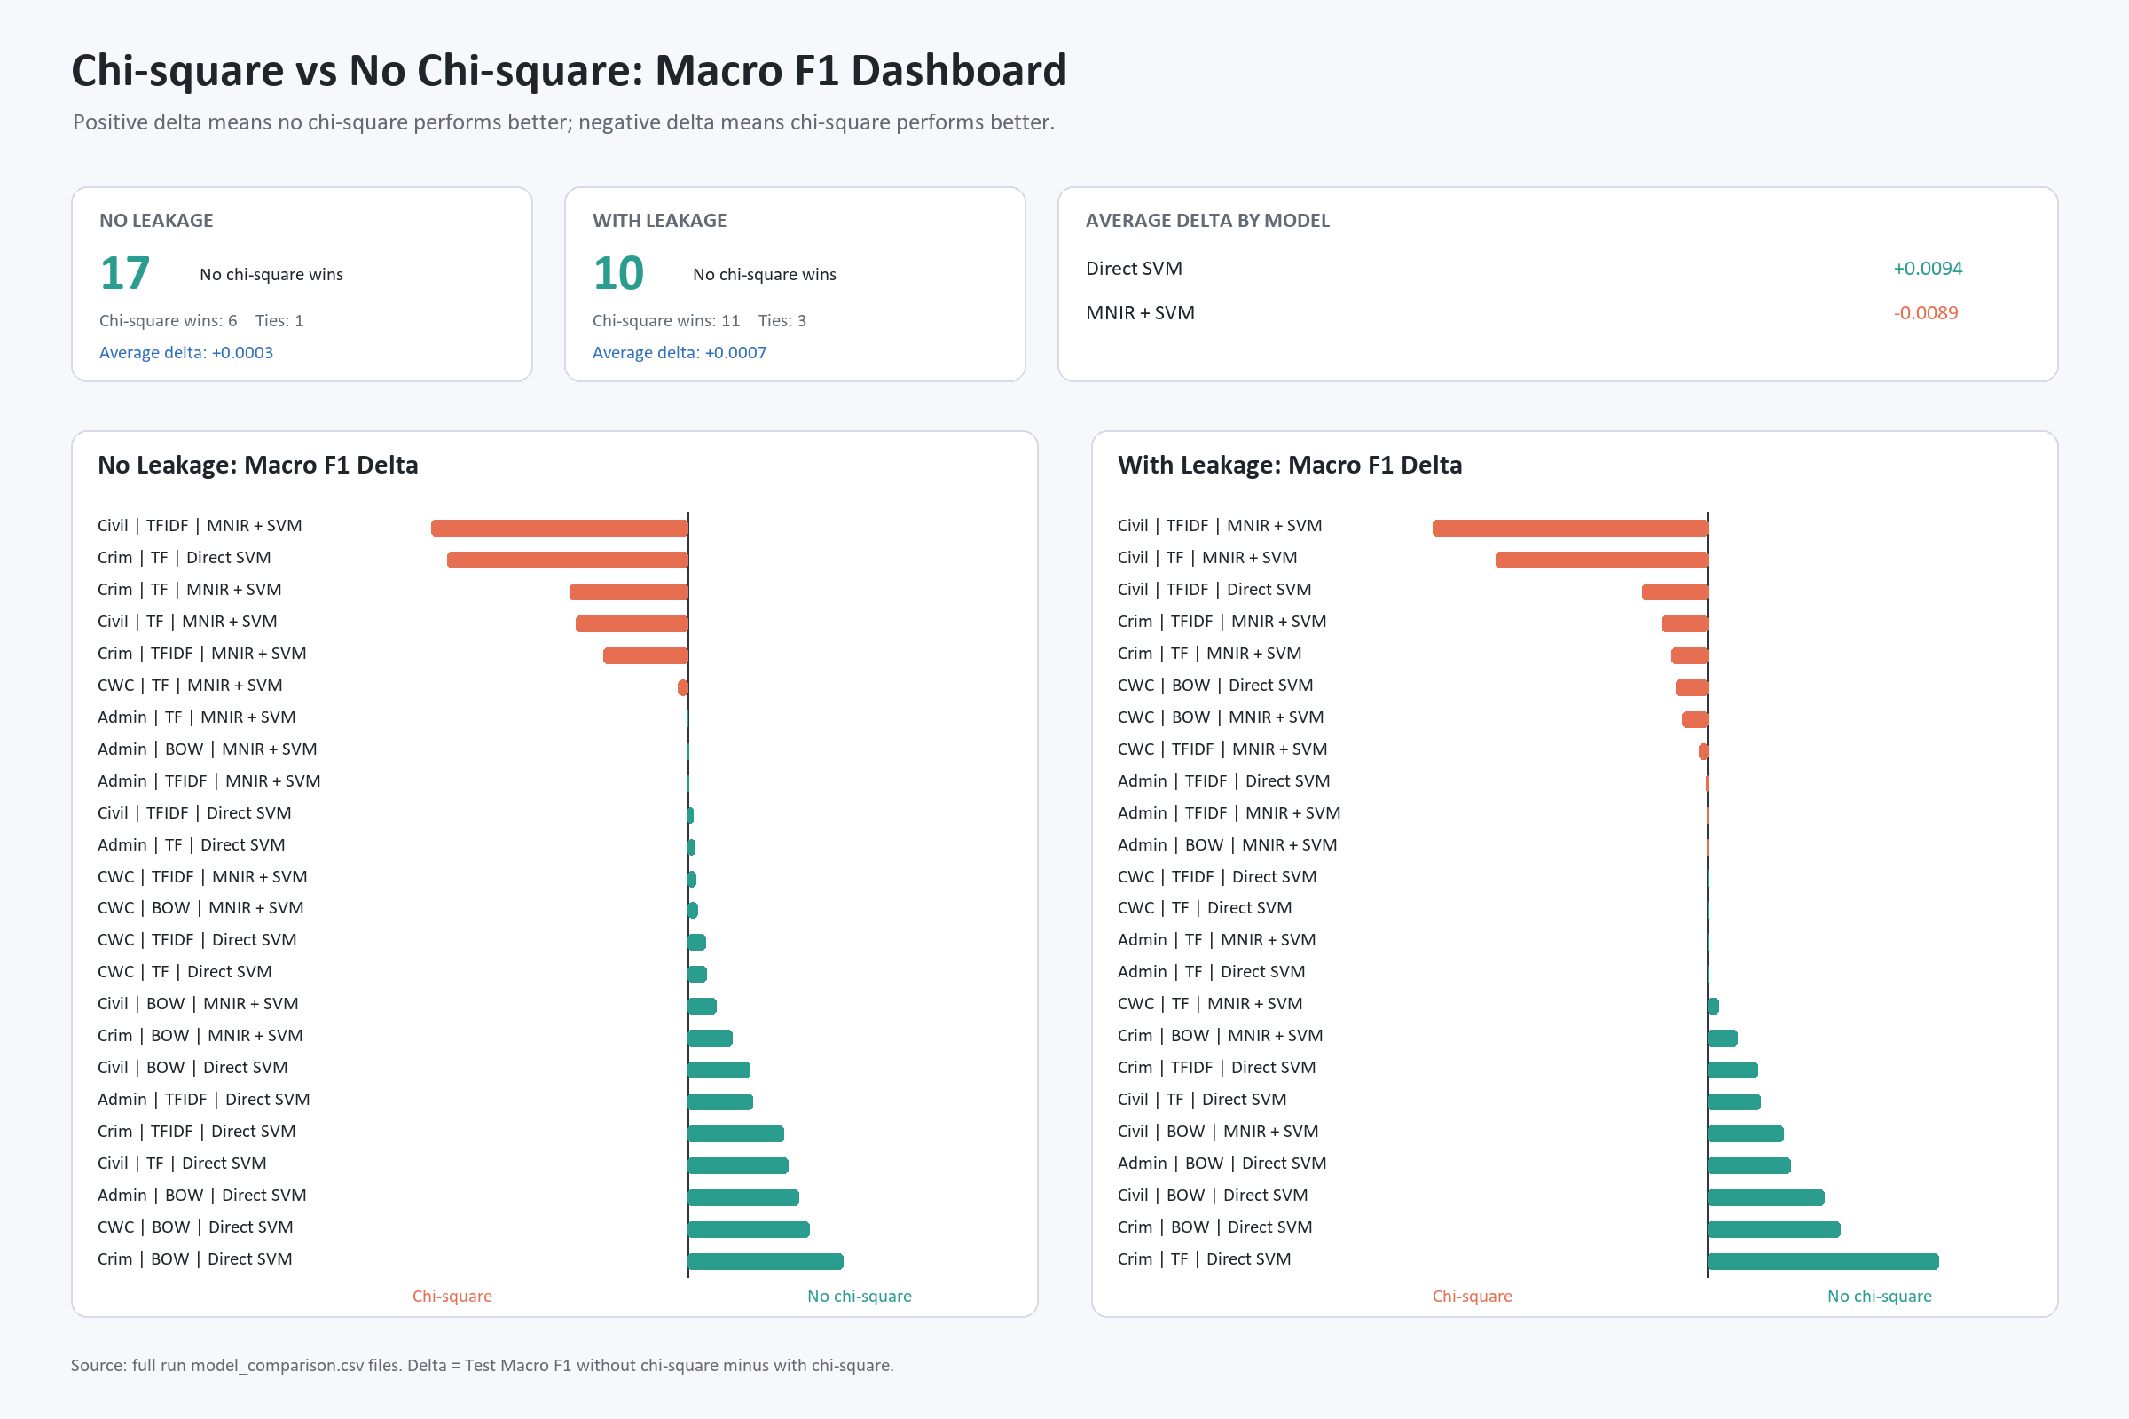
Chi-square vs No Chi-square Visualization
Delta = No chi-square Macro F1 - Chi-square Macro F1. Positive values favor skipping chi-square.

PNG Charts
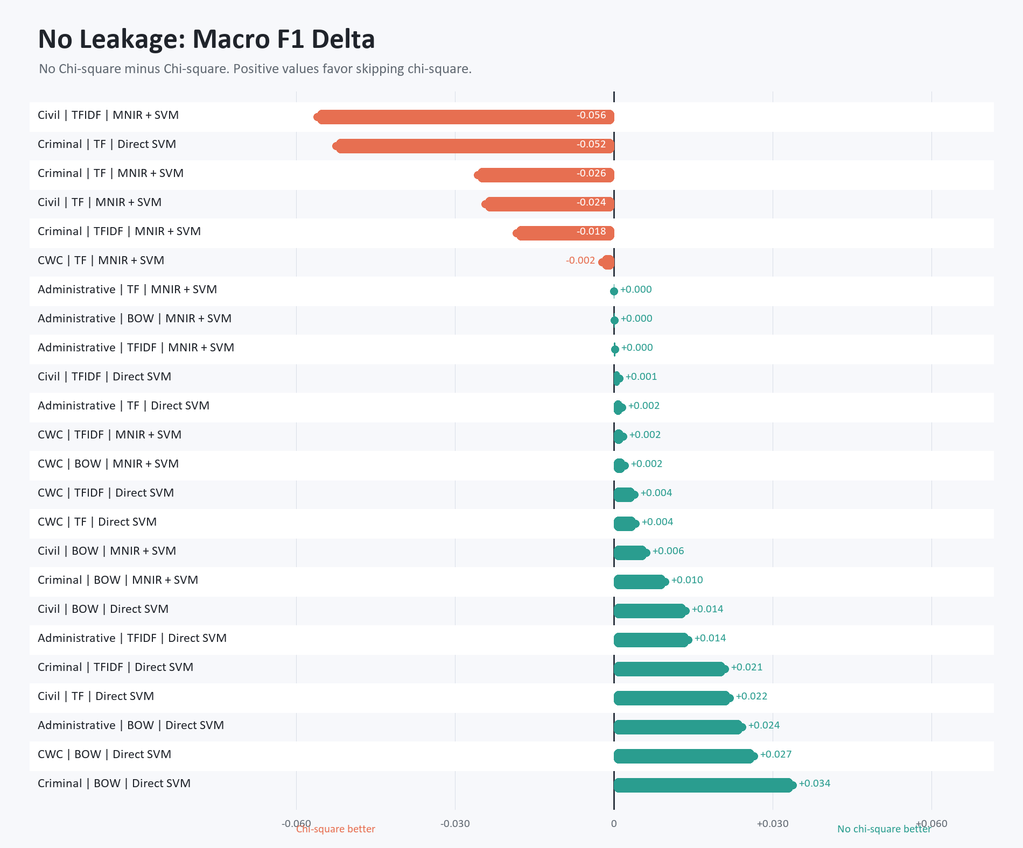
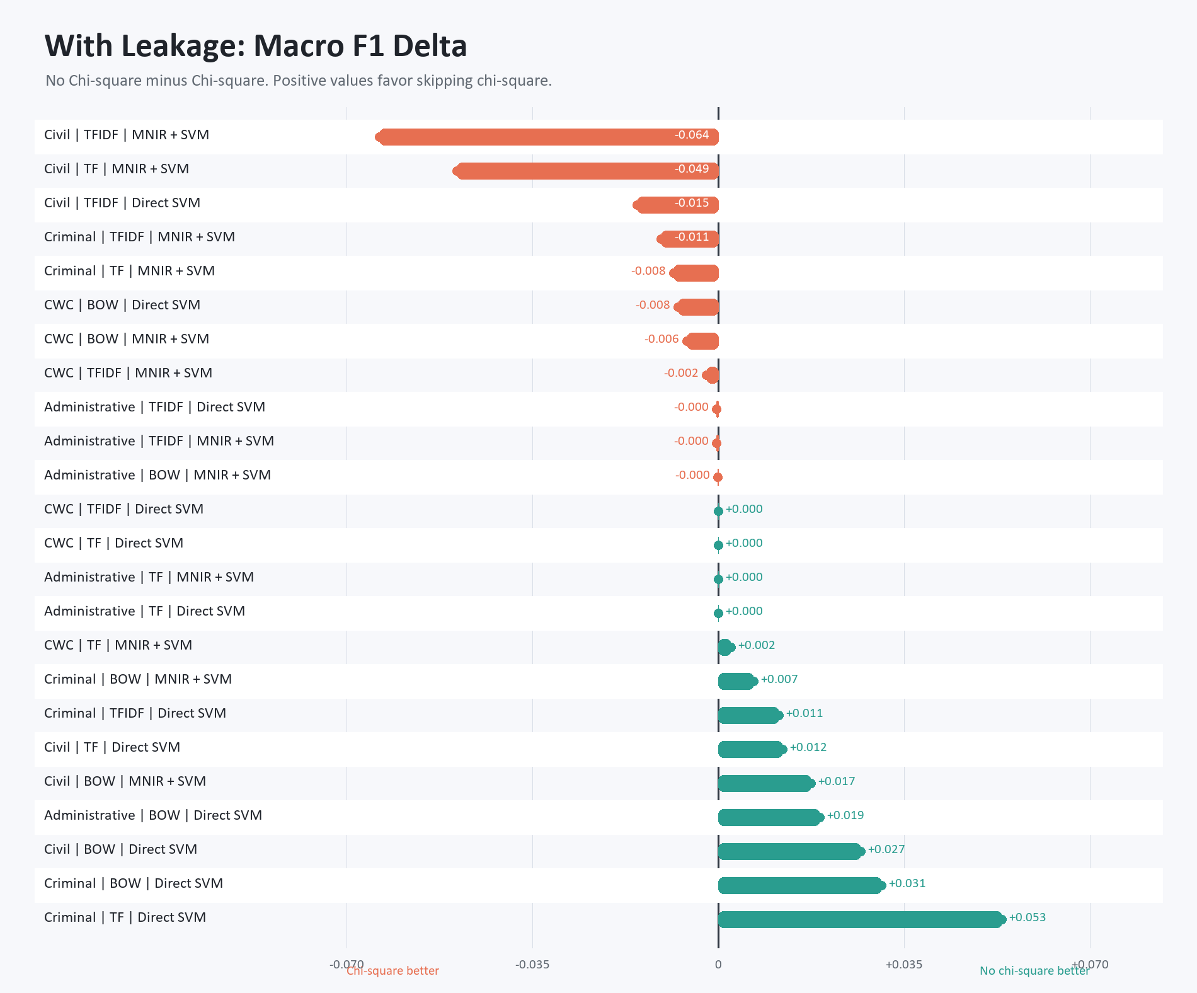
Standalone PNG Charts

